Sheet1
MENS ROGUE DESIGNER APPAREL
Style | Color Desc. | BRAND | Item-Desc | S | M | L | XL | 2XL | Qty.OH
C1R1084TS | BLACK | ROGUE | MENS 100% COTTON RAW EDGE S/S TSHIRT SEWN IN TAG (BLACK ) | 1,207 | 2,807 | 3,654 | 1,418 | 557 | 9,643
C1R1084TS | DIRTY WHITE | ROGUE | MENS 100% COTTON RAW EDGE S/S TSHIRT SEWN IN TAG (DIRTY WHITE ) | 432 | 1,659 | 2,309 | 1,408 | 261 | 6,069
TOTAL |  |  | TEARAWAY ROGUE NECK TAG - NO HANGTAG OR UPC | 1,639 | 4,466 | 5,963 | 2,826 | 818 | 15,712

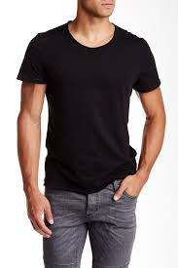
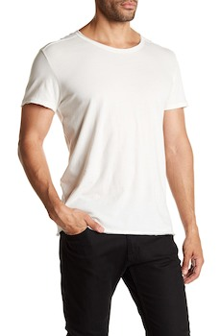

 |  |  | RAW EDGE TEE
 |  |  | WITH TEARAWAY LABEL

